TestSummary
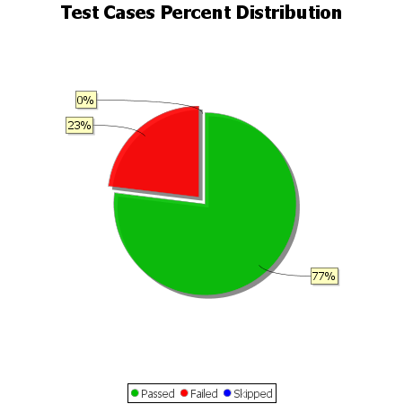
Total Test Cases | 13
Test Cases Passed | 10
Test Cases Failed | 3
Test Cases Skipped | 0

